整體統計
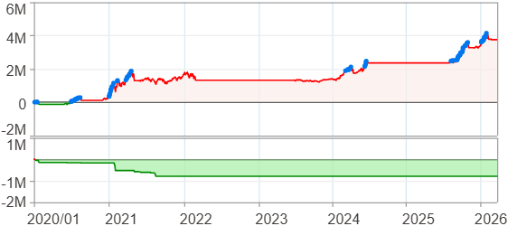
回測整體統計

回測資料範圍 | 2020/01/01 - 2026/03/30 (日資料) (逐筆洗價)
執行商品個數 | 2(成功)0(失敗)
回測執行時間 | 2026/03/30 12:12 (總時間: 1分40秒, 準備時間 1秒, 回測時間: 1分39秒)
交易腳本 | 260127_強勢股加碼-兩次
初始資金 | 100萬元
交易費用 | 股票0.2%(成交金額)、期貨 100 元(口)

項目 | 全部 |  | 做多 |  | 做空
淨利 | 3,759,519 | 375.95% | 3,759,519 | 375.95% | 0 | 0.00%
毛利 | 3,983,876 | 398.39% | 3,983,876 | 398.39% | 0 | 0.00%
獲利因子 | 17.76 |  | 17.76 |  | n/a
毛損 | -224,357 | -22.44% | -224,357 | -22.44% | 0 | 0.00%
總交易成本 | 86,020 | 8.60% | 86,020 | 8.60% | 0 | 0.00%
最大投入金額 | 2,956,488 |  | 2,956,488 |  | 3,126,550
總交易次數 | 54 |  | 54 |  | 0
獲利交易次數 | 43 |  | 43 |  | 0
勝率 | 79.63% |  | 79.63% |  | 0.00%
虧損交易次數 | 11 |  | 11 |  | 0
平均交易 | 69,621 | 6.96% | 69,621 | 6.96% | 0 | 0.00%
平均獲利交易 | 92,648 | 9.26% | 92,648 | 9.26% | 0 | 0.00%
平均獲利虧損比 | 4.54 |  | 4.54 |  | 0.00
平均虧損交易 | -20,396 | -2.04% | -20,396 | -2.04% | 0 | 0.00%
最大獲利交易 | 452,082 | 45.21% | 452,082 | 45.21% | 0 | 0.00%
最大虧損交易 | -127,832 | -12.78% | -127,832 | -12.78% | 0 | 0.00%
最大區間獲利 | 4,284,017 | 428.40% | 4,284,017 | 428.40% | 4,284,017 | 428.40%
最大區間虧損 | -788,989 | -78.90% | -788,989 | -78.90% | -788,989 | -78.90%
全部交易的平均持倉K線根數 | 82.00 |  | 82.00 |  | 0.00
獲利交易的平均持倉K線根數 | 77.07 |  | 77.07 |  | 0.00
回測K線根數 | 1509 |  | 1509 |  | 1509
虧損交易的平均持倉K線根數 | 101.27 |  | 101.27 |  | 0.00
時間加權報酬 | 3,440,923 | 344.09% | 3,440,923 | 344.09% | 0 | 0.00%
最大投入報酬率 | 3,759,519 | 127.16% | 3,759,519 | 127.16% | 0 | 0.00%
買進持有報酬 | 4,988,952 | 498.90% | 4,988,952 | 498.90% | 4,988,952 | 498.90%
大盤指數報酬 | 2,375,869 | 237.59% | 2,375,869 | 237.59% | 2,375,869 | 237.59%

執行失敗商品
商品名稱 | 狀態 | 說明

最大持倉報酬率圖
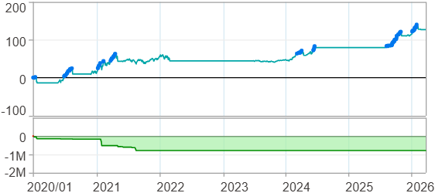

時間加權報酬率圖
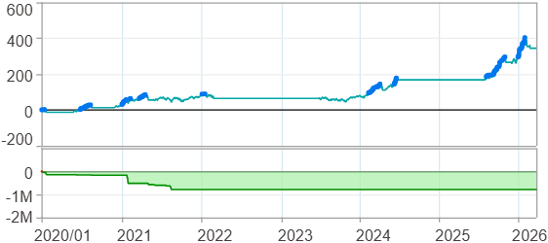

淨利曲線圖

週期分析(日)
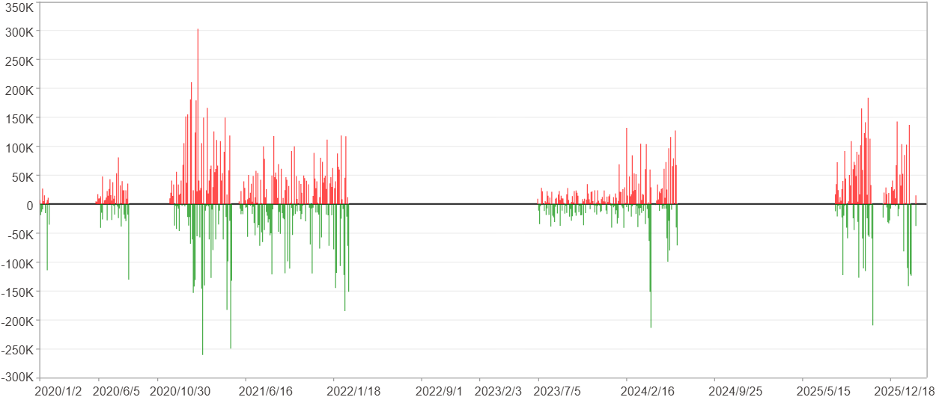
週期分析(日)

項目 | $ | %
淨利/最大投入報酬率 | 3,759,178 | 127.15%
勝率 | 26.32% | 26.32%
最大區間獲利 | 469,297 | 10.65%
最大區間虧損 | -411,112 | -8.82%
獲利因子 | 1.34 | 1.34
總交易日數 | 1512 | 1512
獲利交易日數 | 398 | 398
虧損交易日數 | 304 | 304
毛利 | 14,902,228 | 504.05%
毛損 | -11,143,050 | -376.9%
最大單日獲利 | 303,399 | 7.73%
最大單日虧損 | -260,850 | -6.18%
平均單日金額變動 | 2,486 | 0.05%
平均單日獲利金額變動 | 37,443 | 0.84%
平均單日虧損金額變動 | -36,655 | -0.82%
平均單日獲利虧損比 | 1.02 | 1.02
1日 - 31日(總計)(%)
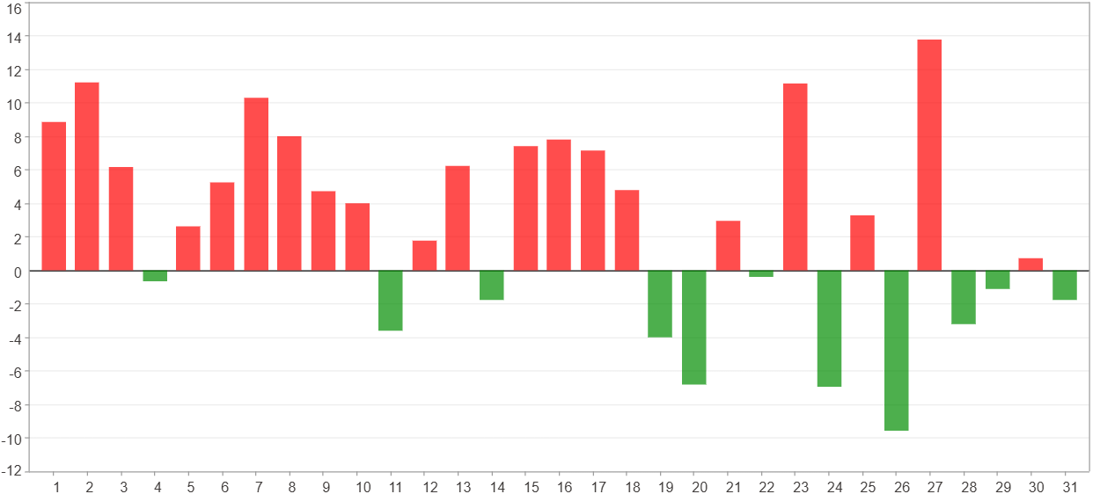

1日 - 31日(平均)(%)
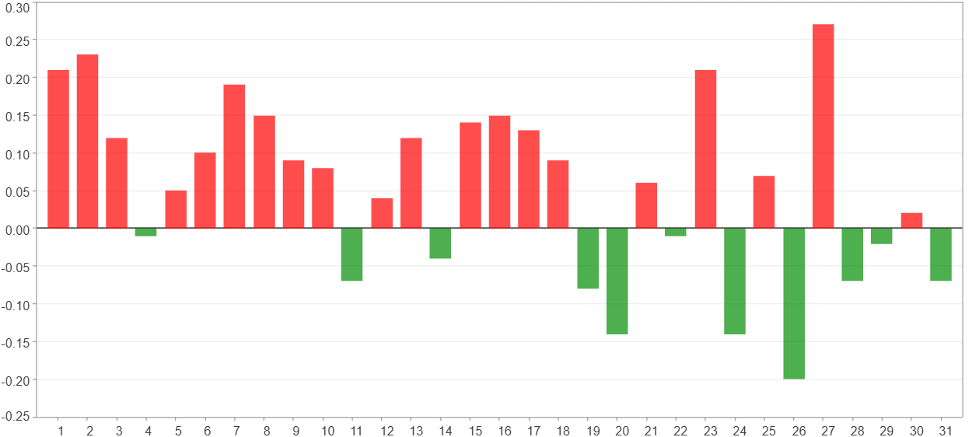

1日 - 31日(總計)($)
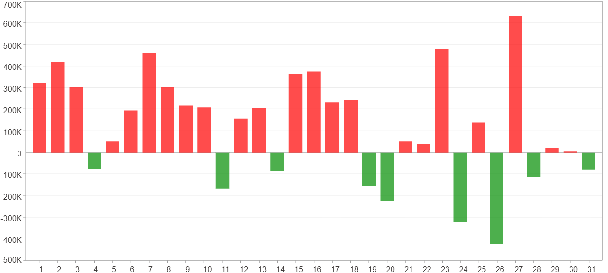

1日 - 31日(平均)($)
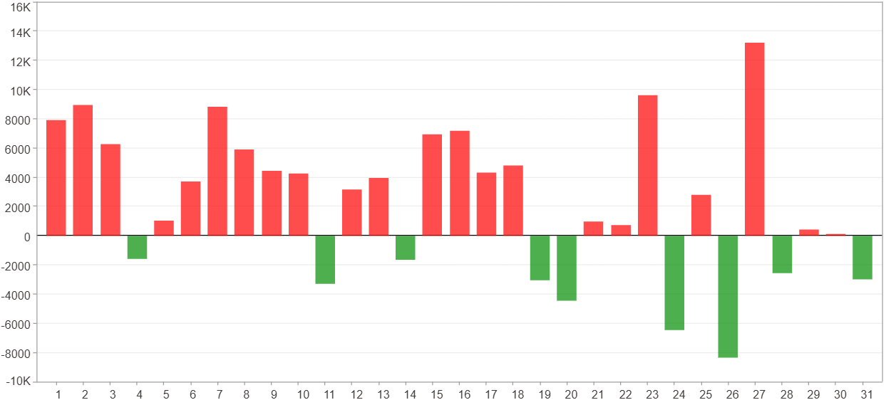

星期一 ~ 星期五(總計)(%)
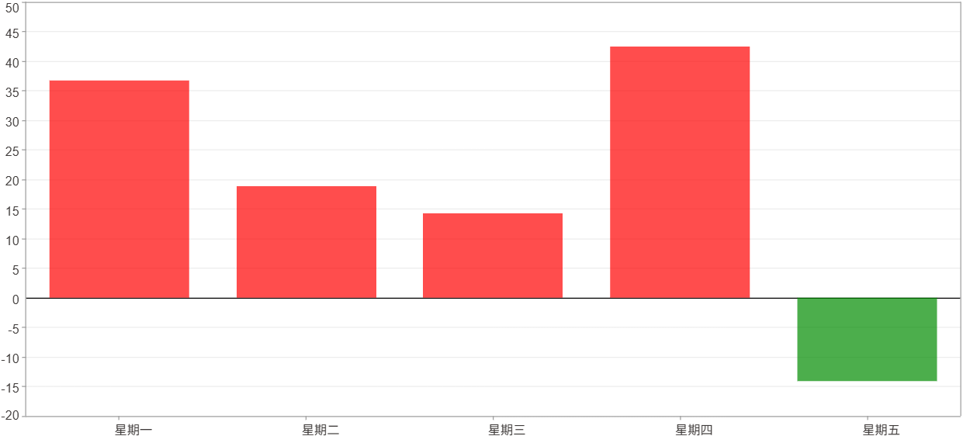

星期一 ~ 星期五(平均)(%)


星期一 ~ 星期五(總計)($)
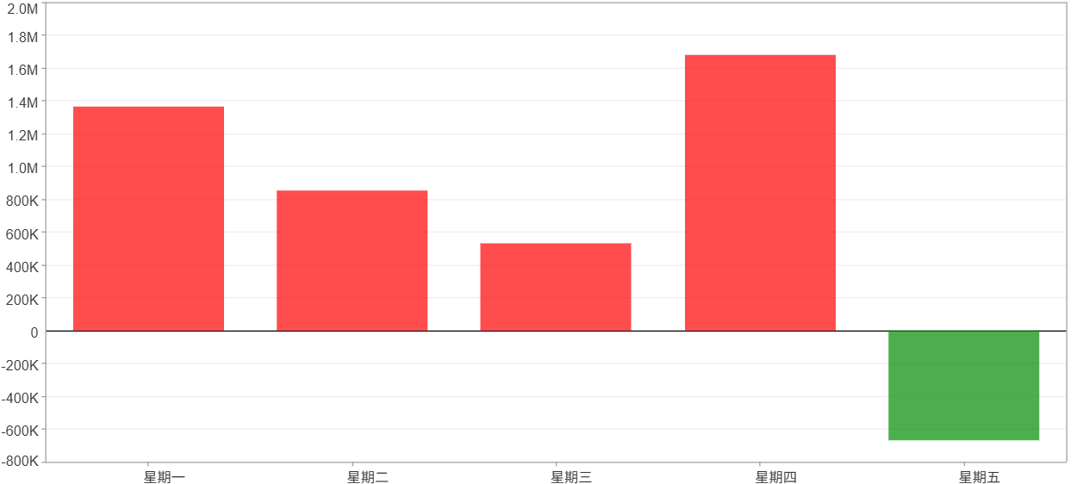

星期一 ~ 星期五(平均)($)
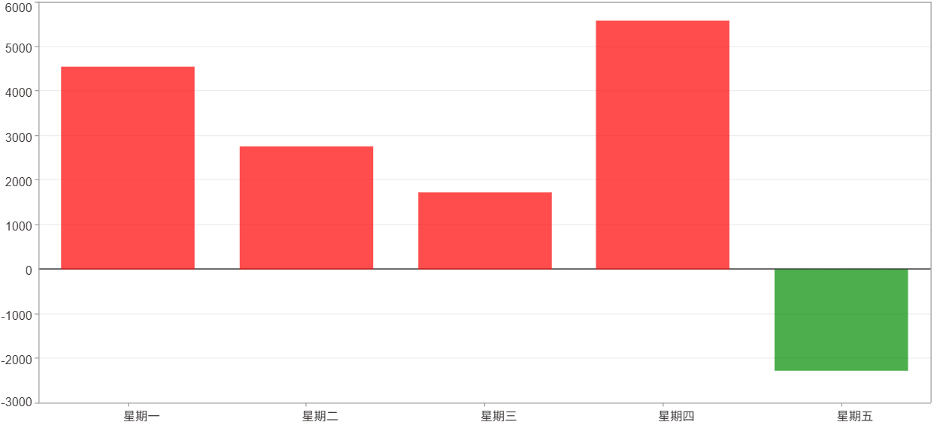

每一日(%)
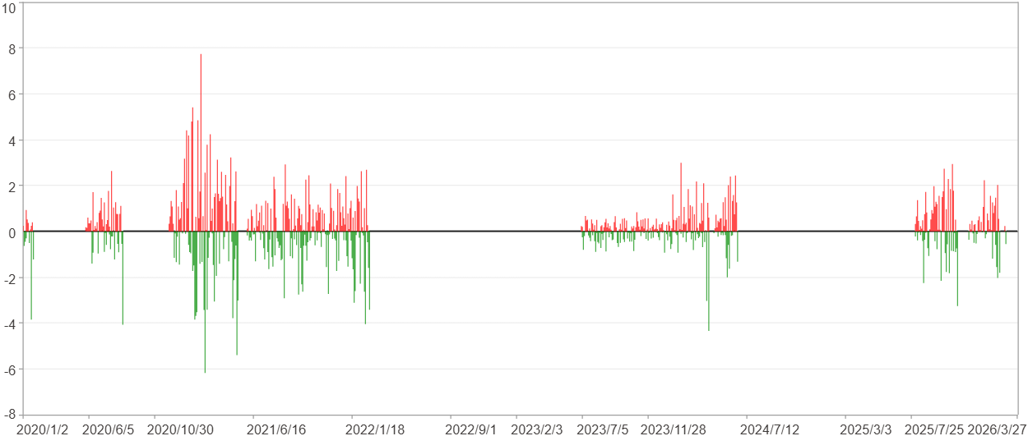

每一日($)

週期分析(月)
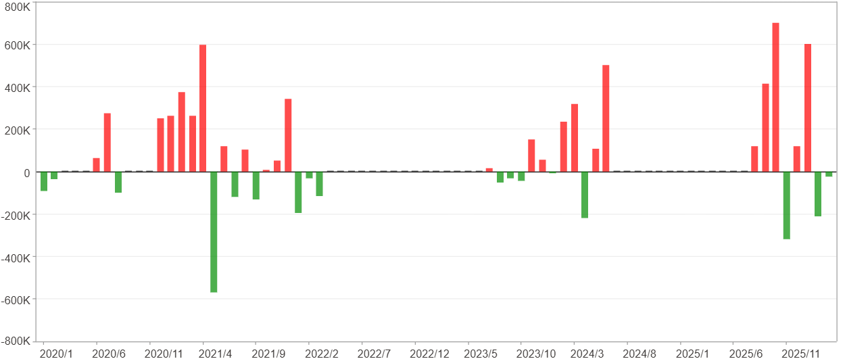
週期分析(月)

項目 | $ | %
淨利/最大投入報酬率 | 3,759,178 | 127.15%
勝率 | 32% | 32%
最大區間獲利 | 1,749,105 | 56.95%
最大區間虧損 | -570,232 | -11.83%
獲利因子 | 2.64 | 2.64
總交易月數 | 75 | 75
獲利交易月數 | 24 | 24
虧損交易月數 | 17 | 17
毛利 | 6,050,182 | 204.64%
毛損 | -2,291,004 | -77.49%
最大單月獲利 | 699,588 | 14.1%
最大單月虧損 | -570,232 | -11.83%
平均單月金額變動 | 50,122 | 1.1%
平均單月獲利金額變動 | 252,091 | 5.64%
平均單月虧損金額變動 | -134,765 | -2.88%
平均單月獲利虧損比 | 1.87 | 1.87
1月 - 12月(總計)(%)
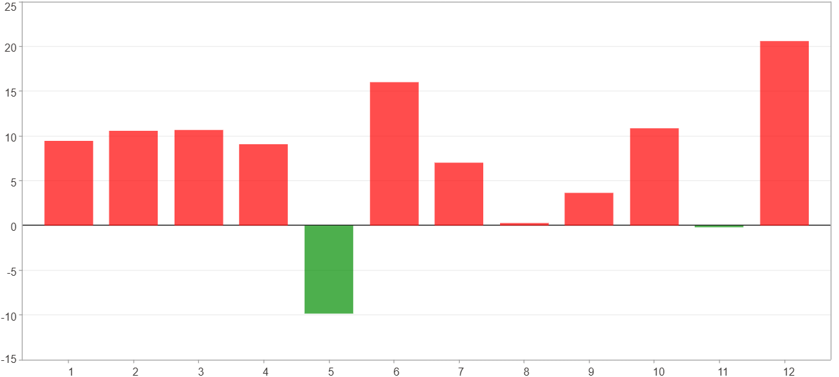

1月 - 12月(總計)($)
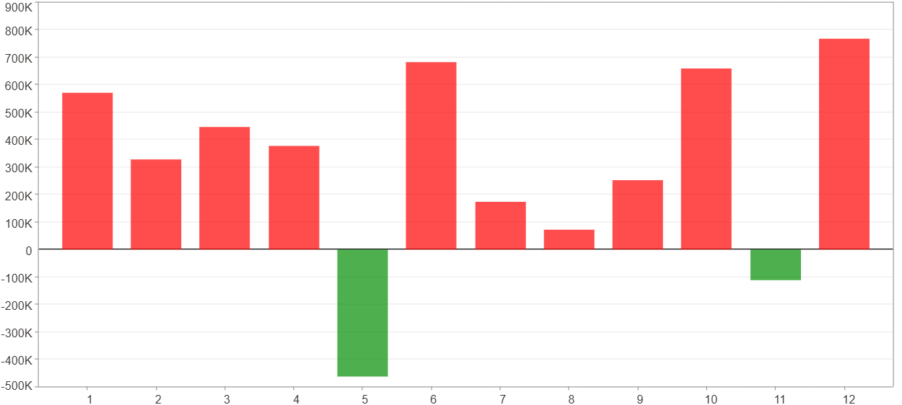

1月 - 12月(平均)(%)
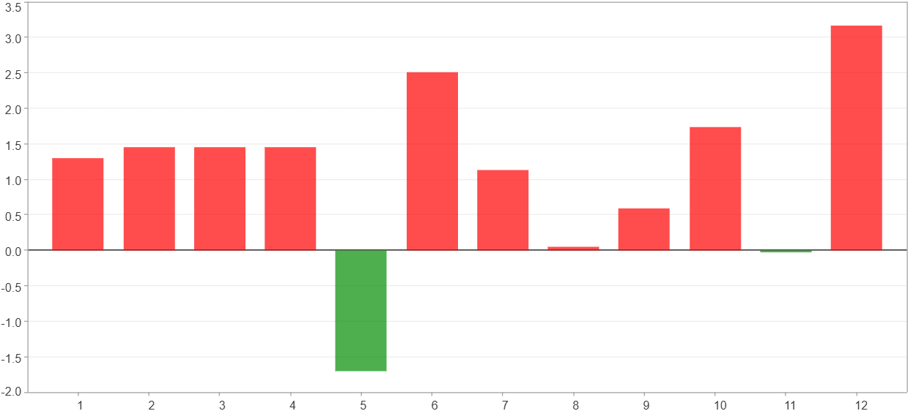

1月 - 12月(平均)($)
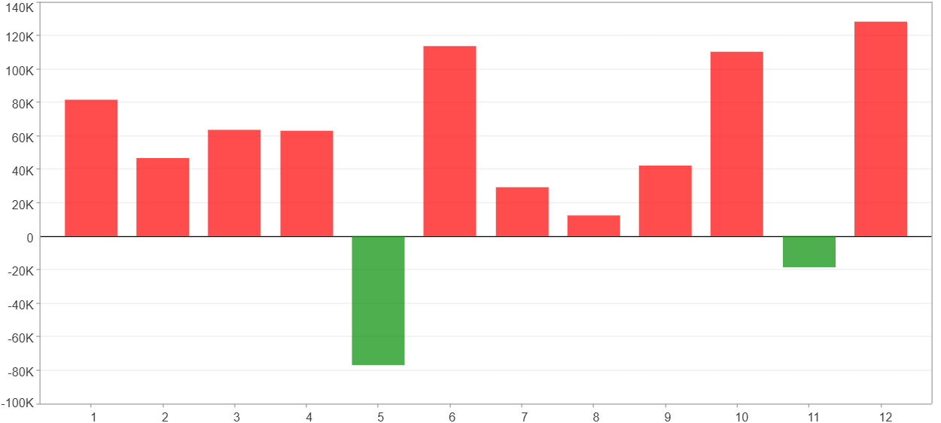

每一月(%)
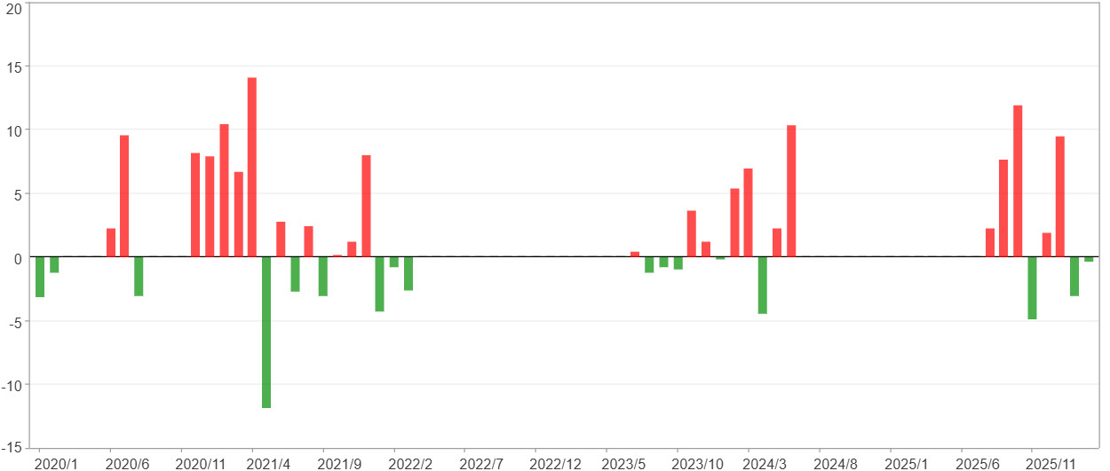

每一月($)

週期分析(季)
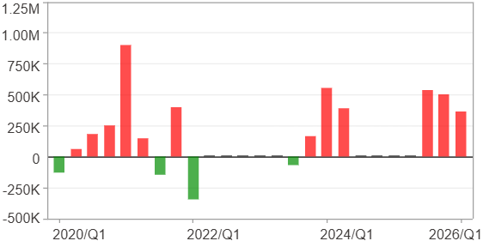
週期分析(季)

項目 | $ | %
淨利/最大投入報酬率 | 3,759,178 | 127.15%
勝率 | 48% | 48%
最大區間獲利 | 1,539,179 | 54.41%
最大區間虧損 | -344,753 | -7.46%
獲利因子 | 6.49 | 6.49
總交易季數 | 25 | 25
獲利交易季數 | 12 | 12
虧損交易季數 | 4 | 4
毛利 | 4,444,271 | 150.32%
毛損 | -685,093 | -23.17%
最大單季獲利 | 900,917 | 27.1%
最大單季虧損 | -344,753 | -7.46%
平均單季金額變動 | 150,367 | 3.34%
平均單季獲利金額變動 | 370,356 | 8.62%
平均單季虧損金額變動 | -171,273 | -4.19%
平均單季獲利虧損比 | 2.16 | 2.16
第一季 ~ 第四季(總計)(%)
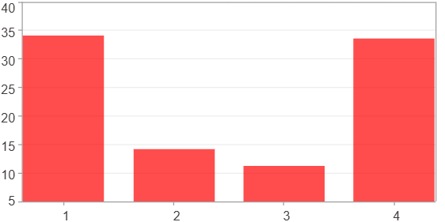

第一季 ~ 第四季(總計)($)
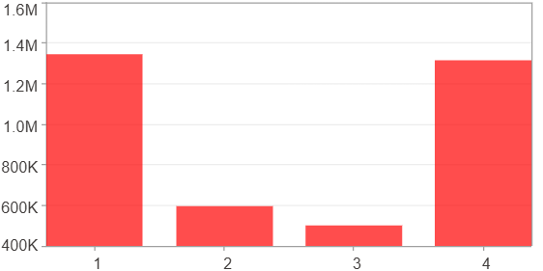

第一季 ~ 第四季(平均)(%)
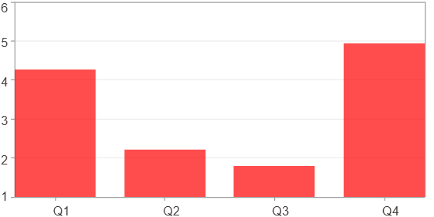

第一季 ~ 第四季(平均)($)
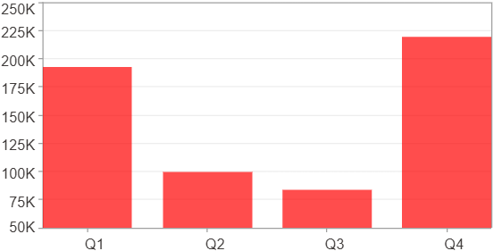

每一季(%)
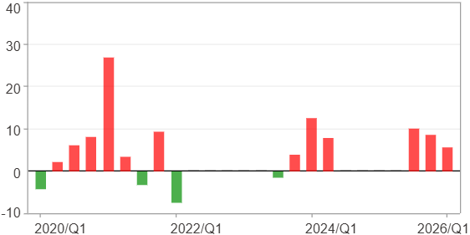

每一季($)

週期分析(年)
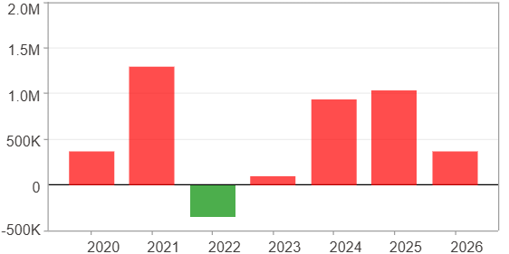
週期分析(年)

項目 | $ | %
淨利/最大投入報酬率 | 3,759,178 | 127.15%
勝率 | 85.71% | 85.71%
最大區間獲利 | 2,439,102 | 57.03%
最大區間虧損 | -344,753 | -7.46%
獲利因子 | 11.9 | 11.9
總交易年數 | 7 | 7
獲利交易年數 | 6 | 6
虧損交易年數 | 1 | 1
毛利 | 4,103,931 | 138.81%
毛損 | -344,753 | -11.66%
最大單年獲利 | 1,297,502 | 39.04%
最大單年虧損 | -344,753 | -7.46%
平均單年金額變動 | 537,025 | 12.44%
平均單年獲利金額變動 | 683,989 | 16.14%
平均單年虧損金額變動 | -344,753 | -7.46%
平均單年獲利虧損比 | 1.98 | 1.98
每一年(%)
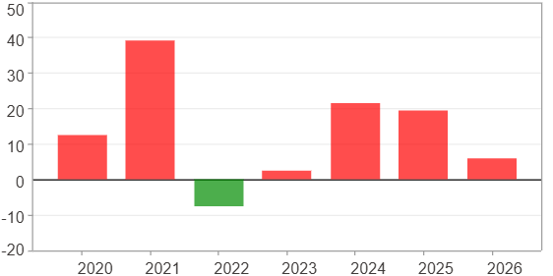

每一年($)

